HOMEPAGE
v2CRM
 |  |  |  |  |  |  |  |  |  |  |  |  | Contact @: |  | +91.22.52525252
 |  | Solutions Products Services KnowledgeBase Customers Editions & Pricing |  |  |  |  |  |  |  |  |  |  | Email @: |  | helpdesk@v2crm.com
 |  |  |  |  |  |  |  |  |  |  |  | search…

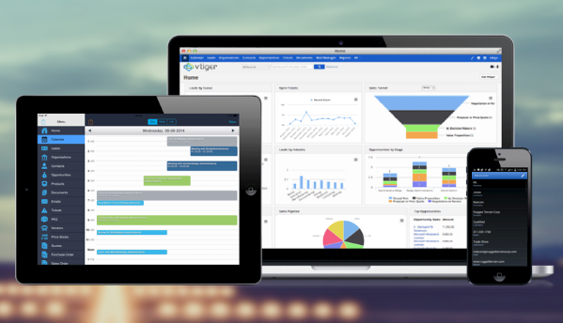
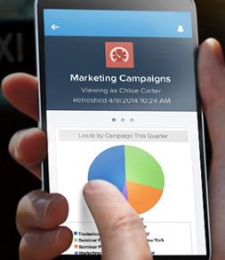
 |  |  |  |  |  |  |  |  |  |  |  |  |  | Free Trial |  | Privacy Policy

 |  |  |  |  |  |  |  |  |  |  |  |  |  |  |  | Anti-Spam Policy
 |  |  |  |  |  |  |  |  |  |  |  |  |  | Install Kit
 |  |  |  |  |  |  |  |  |  |  |  |  |  |  |  | Terms of Services

 |  |  |  |  |  |  |  |  |  |  |  |  |  | Watch Demo |  | Security

 |  |  |  |  |  |  |  |  |  |  |  |  |  |  |  | Trademarks
 |  |  |  |  |  |  |  |  |  |  |  |  |  | Register
 |  |  |  |  |  |  |  |  |  |  |  |  |  |  |  | Chat with V2CRM

 |  |  |  |  |  |  |  |  |  |  |  |  |  | Login |  | Follow us on

 |  |  |  |  |  |  |  |    

 | Our Executive Team |  |  | Why us? |  | Feedback | Careers | CRM Blogs |  | eBook on CRM |  |  | White Papers

 |  |  | © Copyright 2000-2014 v2CRM Ltd. All rights reserved. Various trademarks held by their respective owners

v2CRM
 |  |  |  |  |  |  |  |  |  |  |  |  | Contact @: |  | +91.22.52525252
 |  | Solutions Products Services KnowledgeBase Customers Editions & Pricing |  |  |  |  |  |  |  |  |  |  | Email @: |  | helpdesk@v2crm.com
 |  |  |  |  |  |  |  |  |  |  |  | search…

Cloud Based / On-premise Platform
Sales CRM Web-based, Mobile
Sales Force Automation Email, SMS Integration
Support Heldesk
Contact Management
Campaign Management
Business Chatting
Executive MIS Reporting
Social Networking Integration
 |  |  |  |  |  |  |  |  |  |  |  |  |  | Free Trial |  | Privacy Policy

 |  |  |  |  |  |  |  |  |  |  |  |  |  |  |  | Anti-Spam Policy
 |  |  |  |  |  |  |  |  |  |  |  |  |  | Install Kit
 |  |  |  |  |  |  |  |  |  |  |  |  |  |  |  | Terms of Services

 |  |  |  |  |  |  |  |  |  |  |  |  |  | Watch Demo |  | Security

 |  |  |  |  |  |  |  |  |  |  |  |  |  |  |  | Trademarks
 |  |  |  |  |  |  |  |  |  |  |  |  |  | Register
 |  |  |  |  |  |  |  |  |  |  |  |  |  |  |  | Chat with V2CRM

 |  |  |  |  |  |  |  |  |  |  |  |  |  | Login |  | Follow us on

 |  |  |  |  |  |  |  |    

 | Our Executive Team |  |  | Why us? |  | Feedback | Careers | CRM Blogs |  | eBook on CRM |  |  | White Papers

 |  |  | © Copyright 2000-2014 v2CRM Ltd. All rights reserved. Various trademarks held by their respective owners

Products |  | Services |  |  | KnowledgeBase |  |  |  | Customers |  | Editions & Pricing
v2CRM - SFA |  | Customer Support |  |  | Why CRM? |  |  |  | We - ourselves |  | Contact Management for 5 users - US$ 3/user/month
v2CRM - Sales Forecast |  | Training |  |  | CRM Analytics as Decision Support System |  |  |  | Sugar CRM |  | Basic Edition for 5 users - US$ 10/user/month
v2CRM - Support Helpdesk |  | Webinars |  |  | Applied CRM - by Industries |  |  |  | vTiger |  | Professional Edition for any team size - US$ 35/user/month
 |  | CRM Certifications |  |  | Cloud Computing |  |  |  | Salesforce |  | Enterprise Edition - Customized for any team size - US$ 55/user/month
 |  |  |  |  | Customer Benefits

